Summary and Charts
Statistics | Charts | Trades | Formula | Settings | Symbols | Monte Carlo |  |  |  | 1. Portfolio Equity

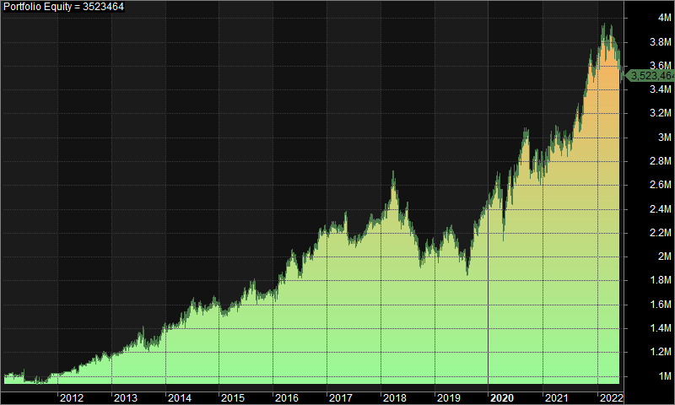
Statistics
 | All trades | Long trades | Short trades
Initial capital | 1000000 | 1000000 | 1000000
Ending capital | 3523463.5 | 1000000 | 3523463.5
Net Profit | 2523463.5 | 0 | 2523463.5
Net Profit % | 252.35% | 0.00% | 252.35%
Exposure % | 3.56% | 0.00% | 3.56%
Net Risk Adjusted Return % | 7096.73% | N/A | 7096.73%
Annual Return % | 11.58% | 0.00% | 11.58%
Risk Adjusted Return % | 325.78% | N/A | 325.78%
Total transaction costs | 2305289.51 | 0 | 2305289.51

All trades | 1680 | 0 (0.00 %) | 1680 (100.00 %)
Avg. Profit/Loss | 1502.06 | N/A | 1502.06
Avg. Profit/Loss % | 3.35% | N/A | 3.35%
Avg. Bars Held | 111.21 | N/A | 111.21

Winners | 760 (45.24 %) | 0 (0.00 %) | 760 (45.24 %)
Total Profit | 18152768.47 | 0 | 18152768.47
Avg. Profit | 23885.22 | N/A | 23885.22
Avg. Profit % | 40.10% | N/A | 40.10%
Avg. Bars Held | 173.2 | N/A | 173.2
Max. Consecutive | 7 | 0 | 7
Largest win | 155915.49 | 0 | 155915.49
# bars in largest win | 194 | 0 | 194 | 2. Underwater Equity

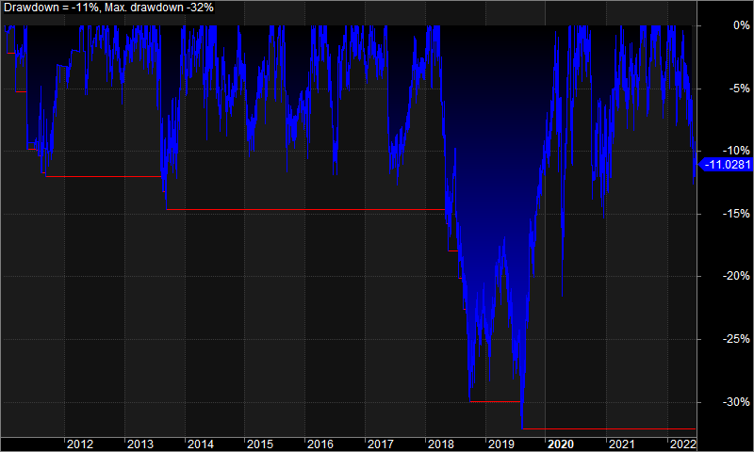
Losers | 920 (54.76 %) | 0 (0.00 %) | 920 (54.76 %)
Total Loss | -15629304.98 | 0 | -15629304.98
Avg. Loss | -16988.37 | N/A | -16988.37
Avg. Loss % | -27.00% | N/A | -27.00%
Avg. Bars Held | 60.01 | N/A | 60.01
Max. Consecutive | 10 | 0 | 10
Largest loss | -154966.32 | 0 | -154966.32
# bars in largest loss | 76 | 0 | 76

Max. trade drawdown | -165400.93 | 0 | -165400.93
Max. trade % drawdown | -99.48 | 0 | -99.48
Max. system drawdown | -876589.92 | 0 | -876589.92
Max. system % drawdown | -32.17% | 0.00% | -32.17%
Recovery Factor | 2.88 | N/A | 2.88
CAR/MaxDD | 0.36 | N/A | 0.36
RAR/MaxDD | 10.13 | N/A | 10.13
Profit Factor | 1.16 | N/A | 1.16
Payoff Ratio | 1.41 | N/A | 1.41
Standard Error | 224769.44 | 0.01 | 224769.44
Risk-Reward Ratio | 0.95 | 0 | 0.95
Ulcer Index | 9.48 | 0 | 9.48
Ulcer Performance Index | 0.65 | N/A | 0.65
Sharpe Ratio of trades | 0.94 | 0 | 0.94
K-Ratio | 0.01 | 0 | 0.01
 |  |  |  | 3. Profit Table

 |  |  |  | Year | Jan | Feb | Mar | Apr | May | Jun | Jul | Aug | Sep | Oct | Nov | Dec | Yr%
 |  |  |  | 2011 | 1.40% | 1.70% | -2.20% | -0.30% | -4.60% | 0.00% | 2.10% | -2.60% | -0.20% | 4.30% | 3.10% | -0.10% | 2.30%
 |  |  |  | 2012 | 0.60% | 0.80% | -0.10% | 2.50% | 3.00% | 0.60% | 1.80% | 2.80% | -0.30% | 2.40% | 0.80% | -2.10% | 13.30%
 |  |  |  | 2013 | 2.60% | 0.70% | 4.20% | -1.00% | 3.10% | 3.90% | 4.00% | -7.50% | 1.20% | -0.30% | 3.50% | 7.50% | 23.20%
 |  |  |  | 2014 | 0.70% | -0.10% | -1.80% | 2.50% | 6.00% | 5.90% | -3.00% | 3.00% | -2.10% | -1.00% | 5.10% | -2.70% | 12.60%
 |  |  |  | 2015 | -3.80% | -2.10% | 5.30% | 1.30% | 0.00% | 7.70% | 1.40% | -0.40% | -5.90% | 1.70% | 1.10% | 0.30% | 6.00%
 |  |  |  | 2016 | 2.70% | 3.60% | 1.80% | 5.70% | 3.30% | -6.80% | 7.50% | 1.40% | -2.90% | 4.50% | 5.90% | 0.70% | 29.80%
 |  |  |  | 2017 | 1.30% | 0.50% | -1.40% | 2.20% | -5.40% | -0.40% | 0.50% | 0.50% | 4.30% | 4.20% | -2.10% | 0.40% | 4.50%
 |  |  |  | 2018 | 4.40% | 1.10% | 11.30% | -8.80% | -5.10% | 3.50% | -7.50% | -5.80% | -8.60% | 5.30% | 2.10% | 0.40% | -9.60%
 |  |  |  | 2019 | -3.40% | 6.60% | 4.00% | 0.50% | -5.80% | -4.10% | -2.60% | -0.30% | 15.50% | -1.10% | 4.50% | 3.50% | 16.60%
 |  |  |  | 2020 | 2.30% | 7.50% | -5.30% | -5.40% | 10.20% | 2.90% | 4.10% | 7.70% | -0.70% | -9.30% | 3.10% | -0.80% | 15.20%
 |  |  |  | 2021 | -2.80% | 10.80% | 1.10% | -3.30% | 2.70% | -0.60% | 1.90% | 6.40% | -1.20% | 7.20% | 4.70% | -0.10% | 29.00%
 |  |  |  | 2022 | 4.50% | -0.40% | 0.60% | -0.50% | -1.80% | -5.00% | N/A | N/A | N/A | N/A | N/A | N/A | -2.80%
 |  |  |  | Avg | 0.90% | 2.50% | 1.50% | -0.40% | 0.50% | 0.60% | 0.90% | 0.50% | -0.10% | 1.60% | 2.90% | 0.60%

